Sheet1
 |  | BUG REPORT

Project Name | Stylemate
Tested By | Vasanthakumar G
Reviewed By | Self-Reviewed
Start Date | 2024-12-21
End Date | 2024-12-21
Platform | windows11
Browser | Edge, Chrome
Assigned To | Vasanthakumar G
Proiority | High, Medium, Low
Status | Open

Bug ID | Module/Feature | Bug Description | Severity | Priority | Status | Environment (Browser/Device/OS) | Preconditions | Steps to Reproduce | Expected Result | Actual Result | Defect Type | Reported By | Attachments
BUG01 | login page | The system should display an error message | Medium | Medium | Open | Chrome & Edge/Windows | Product details page open. | 1. Navigate to the signup page of and fill the email and password field | Expected Result: The system should display an error message such as "Invalid username or password."s. | Expected Result: The system should display not showing error message such as "Invalid username or password." | login page | Vasanthakumar G | 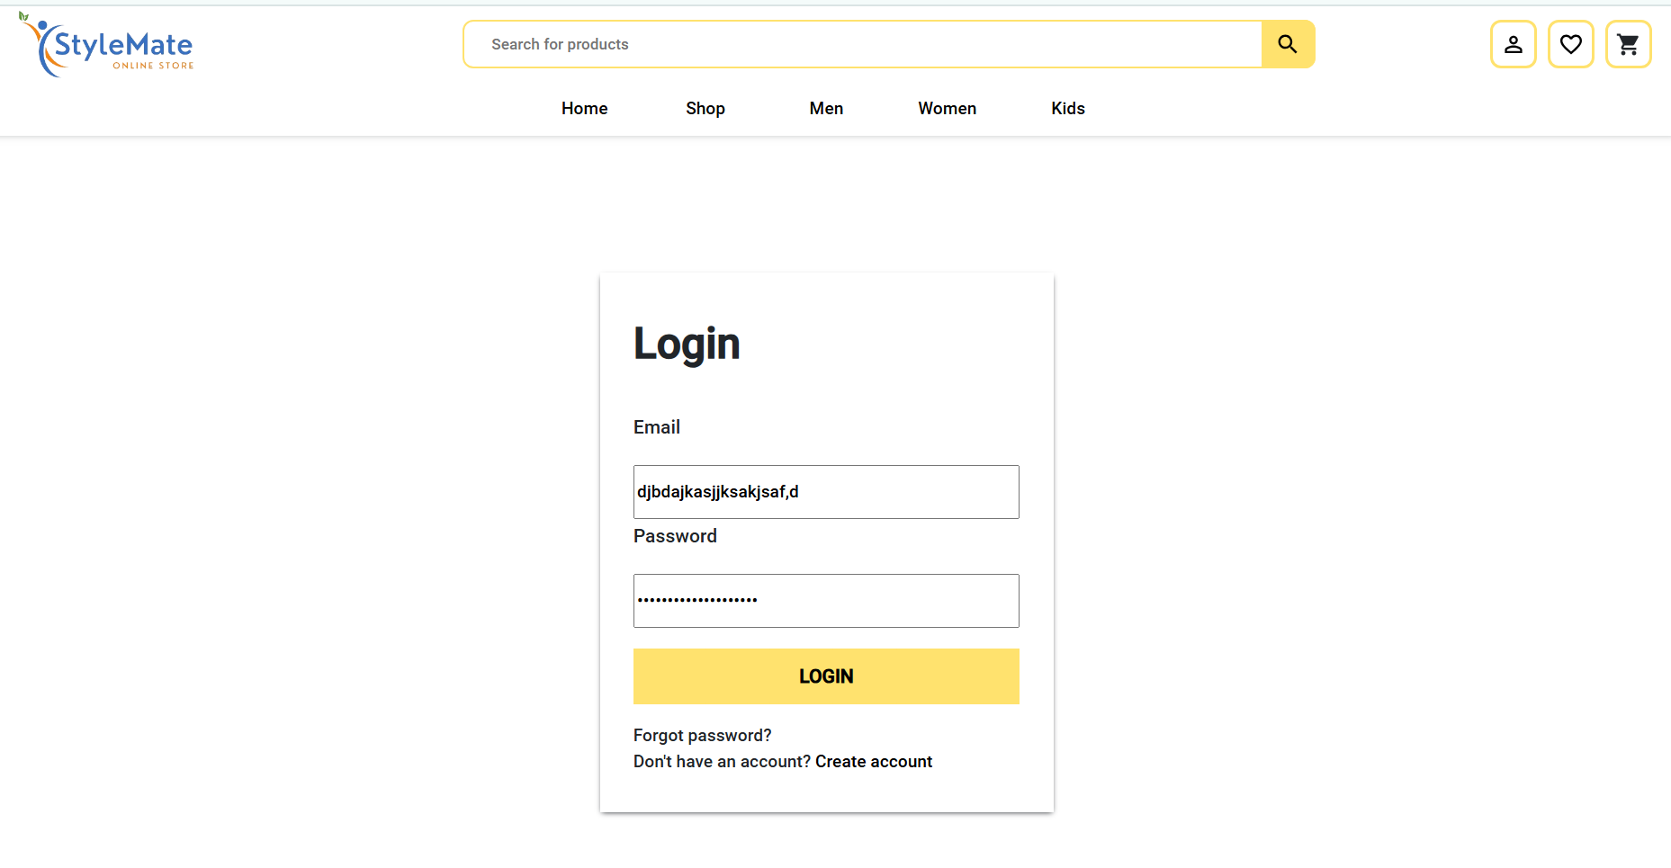
BUG02 | shoping cart | "Shoping cart" page its not cilckble to checkout button. | High | High | Open | Chrome & Edge/Windows | check out procedure | 1. Check if the product is visible and click it.2. click a add to bag buttog 3.go to tha shoping cart container 4.check a visible check out button | "Add to bagt" button should be present for all products. And clickble to checkout button. | "Add to Cart" button is not visible for cameras. | "Add to bagt" button should be present for all products. But clickble to checkout button. | Vasanthakumar G | 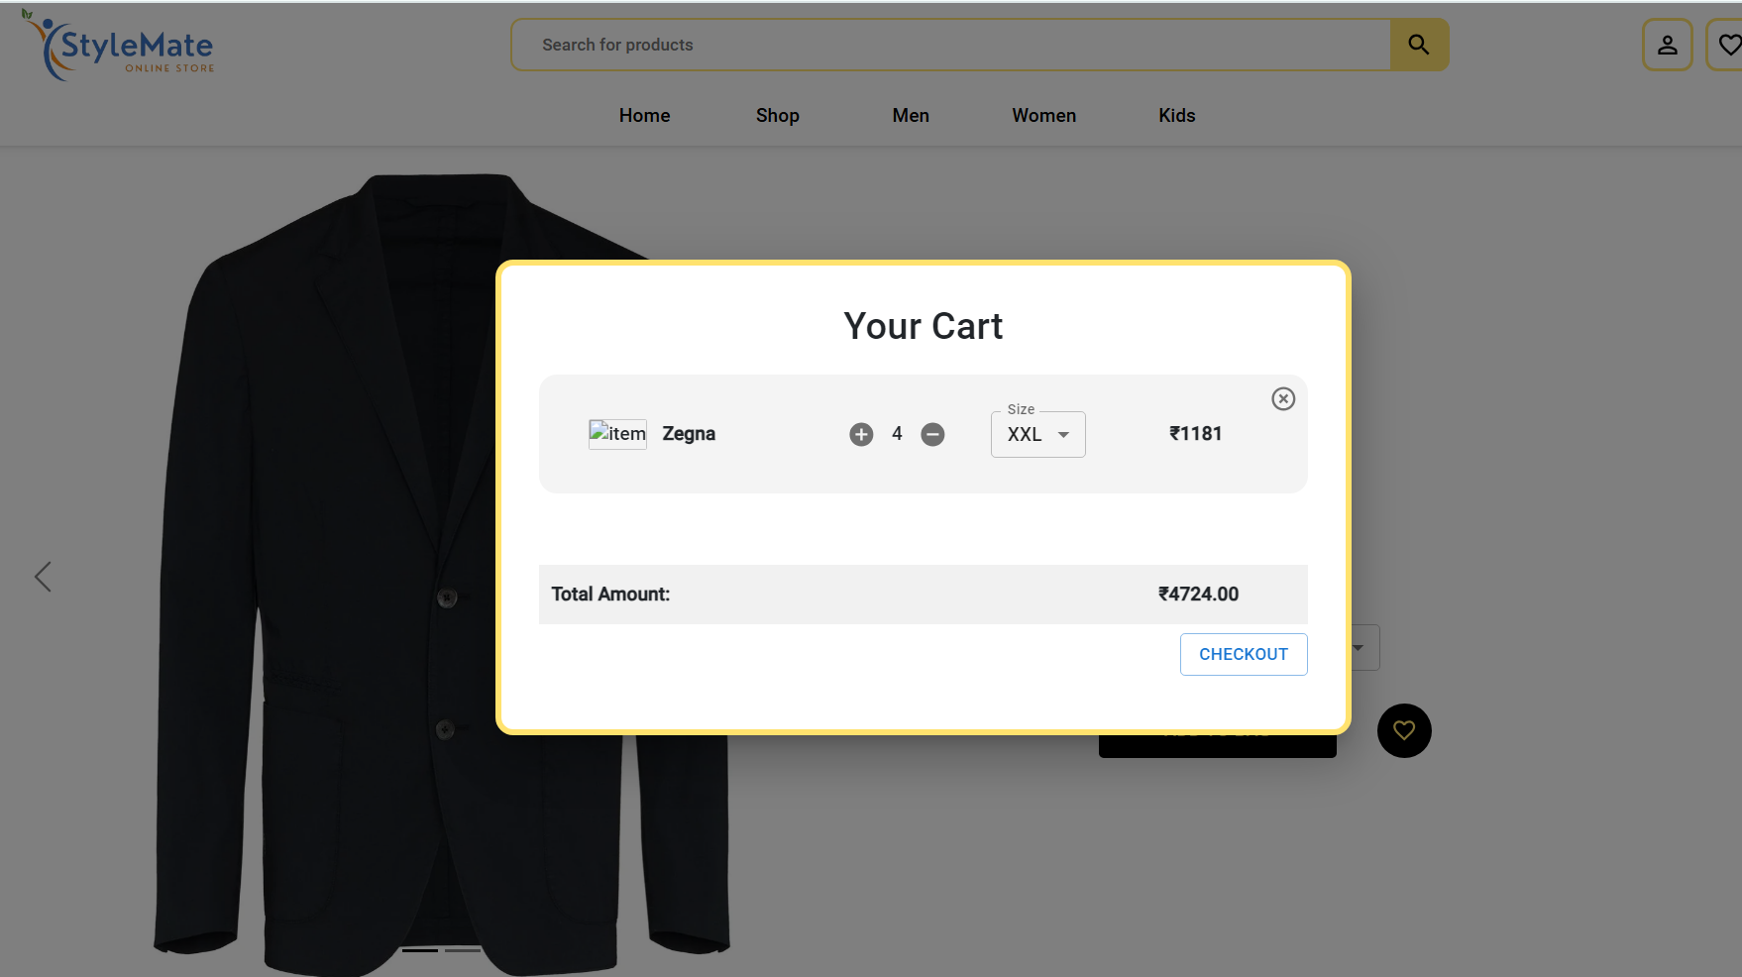
BUG03 | footer link | velidate a footer link Verify the links are placed in the correct section of the footer | High | High | Open | Chrome & Edge/Windows | Footer navigation link. Checking | 1. click to the (eg.about us and terms and conditions) will not provide a navigation links | All expected footer links (e.g., Contact Us, Privacy Policy, Terms of Service, FAQs) should be clearly visible and accessible in the footer section. | All expected footer links (e.g., Contact Us, Privacy Policy, Terms of Service, FAQs) should be clearly visible and not accessble in the footer section. | Functional | Vasanthakumar G | 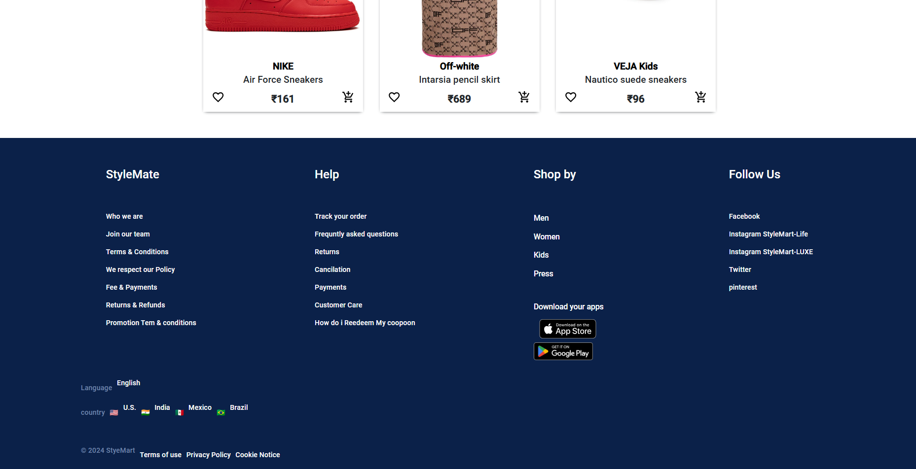
BUG04 | Mobile device | Verify if the page layout is responsive on mobile. | Medium | High | Open | Chrome & Edge/Windows | Verify if the page layout is responsive on mobile. | 1. Open the website on a mobile device. | The layout should be consistent and responsive on mobile. | The layout is not consistent and responsive on mobile. | UI/Usability | Vasanthakumar G | 
BUG05 | Invalid data (e.g., wrong email) | Verify if form validation works correctly. | High | High | Open | Chrome & Edge/Windows | Verify if form validation works correctly. | 1. Fill the form with incorrect data. 2. Submit the form. 3. Check if the form displays validation errors. | Validation errors should appear for incorrect data. | Validation errors shows for incorrect data. | Functionality | vasanthakumar G
BUG06 | Help and Support | Verify if help and support are exists and easily accessible. | High | High | Open | Chrome & Edge/Windows | .1. Search for support page. 2. Verify if it is accessible from the homepage. 3. Check for available FAQs. | Support page URL | Support page and FAQs should be exsits and easily accessible | Support page and FAQs are nor exsits and easily accessible.. | Functionality | Vasanthakumar G
BUG07 | forget password | Verify forgot password process works correctly.. | Medium | Low | Open | Chrome & Edge/Windows | 1.Click the "Forgot Password" link 2 Check the inbox for a password reset email.3Follow the email link to reset the password. | User is on the login page. | The user receives the password reset email, and they are able to reset their password successfully. | from the forget navigation its not clickble | Compatibility | Kaif Beg | 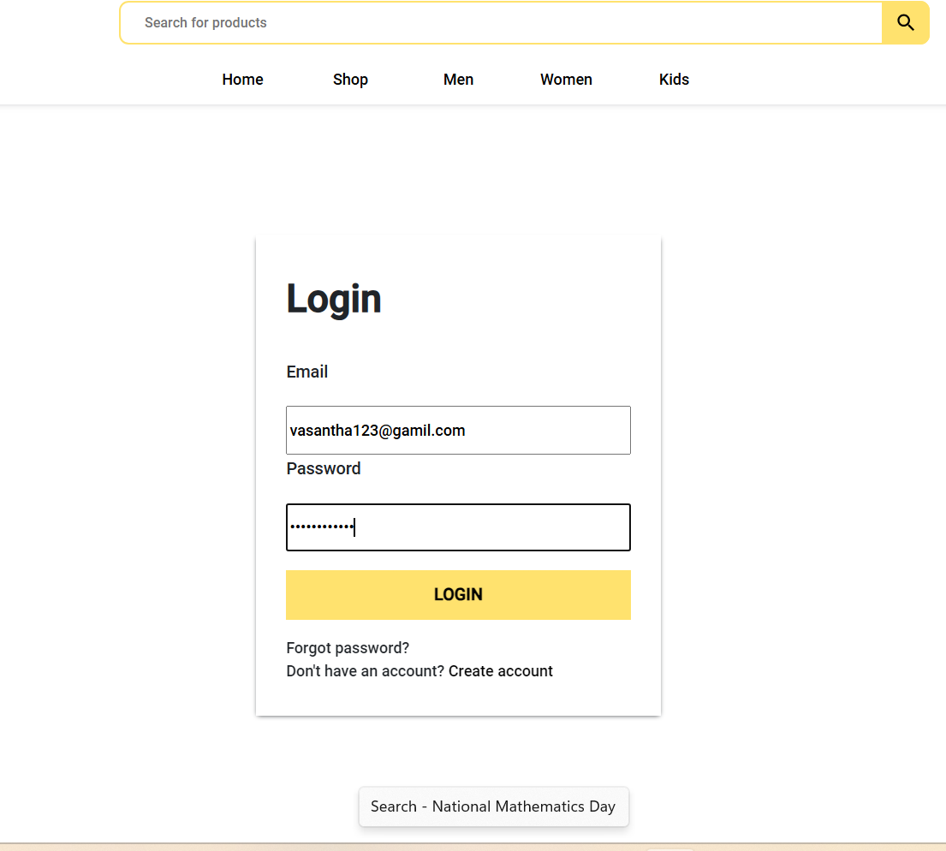 ImageZoomIssue.png

